T-shirt
GAS BEACHWEAR TEES ORDER
 |  |  |  | 1 | 2 | 4 | 4 | 2
CODE | ARTICLE | COLOR | COMPOSITION | S | M | L | XL | XXL | Q.TY FOR EACH BOX | QUANTITY REAL | TOTAL QUANTITY | WHOLESALE PRICE | less than 5000 or selection | 5,000.00 | 10,000.00 | 25,000.00 | 43,752.00 | SUGGESTED RETAIL PRICE

GATS01BASIC | 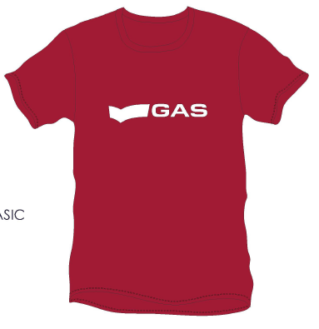 T-shirt serie Basic | Blu | 100% CO | 2 | 6 | 8 | 6 | 2 | 24 | 278 | 6,672 | 12.60 € | 8.50 € | 7.90 € | 7.50 € | 6.90 € | 6.50 € | 29.00 €
 |  | Bluette |  | 2 | 6 | 8 | 6 | 2 | 24 | 277 | 6,648
 |  |  |  | 2 | 6 | 8 | 6 | 2 | 24 | 11 | 264
 |  |  |  | 2 | 6 | 8 | 6 | 2 | 24 | 11 | 264
 |  | Rosso |  | 2 | 6 | 8 | 6 | 2 | 24 | 89 | 2,136
 |  | Verde militare |  | 2 | 6 | 8 | 6 | 2 | 24 | 90 | 2,160
 |  | Fango |  | 2 | 6 | 8 | 6 | 2 | 24 | 132 | 3,168
 |  |  |  |  |  |  |  |  |  |  | 21,312

GATS01LETTERS | 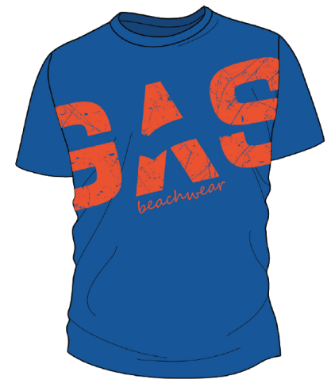 T-shirt serie Letters |  | 100% CO | 2 | 6 | 8 | 6 | 2 | 24 | 9 | 216 | 16.95 € | 6.50 € | 5.90 € | 5.50 € | 4.90 € | 4.50 € | 39.00 €
 |  |  |  | 2 | 6 | 8 | 6 | 2 | 24 | 11 | 264
 |  |  |  | 2 | 6 | 8 | 6 | 2 | 24 | 7 | 168
 |  | Bluette |  | 2 | 6 | 8 | 6 | 2 | 24 | 47 | 1,128
 |  | Verde |  | 2 | 6 | 8 | 6 | 2 | 24 | 24 | 576
 |  | Nero |  | 2 | 6 | 8 | 6 | 2 | 24 | 63 | 1,512
 |  |  |  |  |  |  |  |  |  |  | 3,864

GATS01JUNGLE | 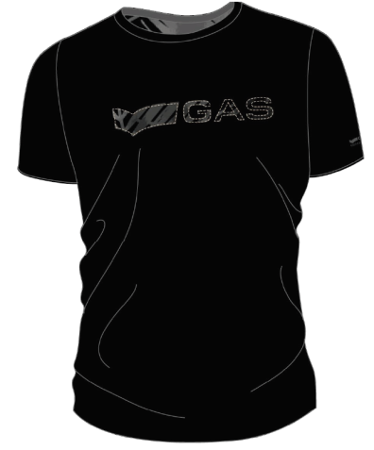 T-shirt serie Jungle | White jungle | 95% CO 5% EA | 2 | 6 | 8 | 6 | 2 | 24 | 273 | 6,552 | 19.15 € | 8.50 € | 7.90 € | 7.50 € | 6.90 € | 6.50 € | 44.00 €
 |  | Green jungle |  | 2 | 6 | 8 | 6 | 2 | 24 | 136 | 3,264
 |  | Black jungle |  | 2 | 6 | 8 | 6 | 2 | 24 | 365 | 8,760
 |  |  |  |  |  |  |  |  |  |  | 18,576

 |  |  |  |  |  |  |  |  | GRAND TOTAL: |  | 43,752

